Typical Table
Example of table - tallest buildings in the world (2019):
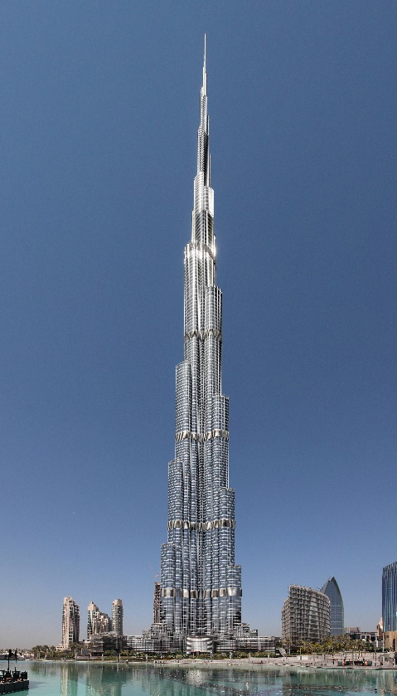

Rank | Building | City | Country | Height |  | Floors | Built (Year)
 |  |  |  | Metric | Imperial
1 | Burj Khalifa | Dubai | United Arab Emirates | 828 m | 2717 ft | 163 | 2010 | T o p 1 0 | T o p 2 0
2 | Shanghai Tower | Shanghai | China | 632 m | 2073 ft | 128 | 2015
3 | Abraj Al-Bait Clock Tower | Mecca | Saudi Arabia | 601 m | 1971 ft | 120 | 2012
4 | Ping An Finance Centre | Shenzhen | China | 599 m | 1965 ft | 115 | 2017
5 | Lotte World Tower | Seoul | South Korea | 555 m | 1819 ft | 123 | 2016
6 | One World Trade Center | New York City | United States | 541 m | 1776 ft | 104 | 2014
7 | Guangzhou CTF Finance Centre | Guangzhou | China | 530 m | 1739 ft | 111 | 2016
7 | Tianjin CTF Finance Centre | Tianjin | China | 530 m | 1739 ft | 98 | 2018
9 | China Zun | Beijing | China | 528 m | 1732 ft | 108 | 2018
10 | Taipei 101 | Taipei | Taiwan | 508 m | 1667 ft | 101 | 2004
11 | Shanghai World Financial Center | Shanghai | China | 492 m | 1614 ft | 101 | 2008
12 | International Commerce Centre | Hong Kong | China | 484 m | 1588 ft | 118 | 2010
13 | Lakhta Center | St. Petersburg | Russia | 462 m | 1516 ft | 86 | 2018
14 | Landmark 81 | Ho Chi Minh City | Vietnam | 461 m | 1513 ft | 81 | 2018
15 | Changsha IFS Tower T1 | Changsha | China | 452 m | 1483 ft | 88 | 2017
16 | Petronas Tower 1 | Kuala Lumpur | Malaysia | 452 m | 1483 ft | 88 | 1998
16 | Petronas Tower 2 | Kuala Lumpur | Malaysia | 452 m | 1483 ft | 88 | 1998
16 | The Exchange 106 | Kuala Lumpur | Malaysia | 452 m | 1483 ft | 97 | 2018
19 | Zifeng Tower | Nanjing | China | 450 m | 1476 ft | 89 | 2010
19 | Suzhou IFS | Suzhou | China | 450 m | 1476 ft | 92 | 2017

